Script1
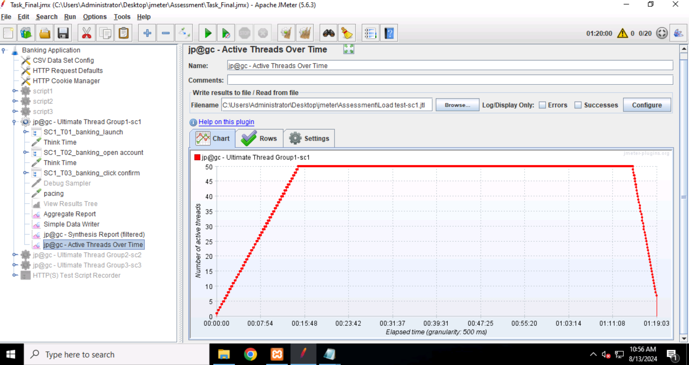
1.Test Summary: Script1 | 3. User graph
Total duration: 1hour 20minutes
Total no.of users:100
Script1 Users:50
Rampup:15min(900sec)
steady state: 1hr (3600sec)
Rampdown:5min(300sec)
Total Transactions: 1225
Pass Transactions:1225
Fail Transactions:0

2.Scenario Details
Given,N=50
TPH=400
From Little Law,
N=Tps*(RT+TT+P)
50=400/3600*(9+10+P)
50/0.1111=19+P
450-19=P
P=431
 | 4. Client Side Metrics (Throughput, RT, Failure%)

 | Label | #Samples | Average | Min | Max | 90%Line | Std.Dev. | Error % | Throughput | Received KB/sec | Avg.Bytes
 | SC1_T01_banking_launch | 409 | 1 | 1 | 23 | 2 | 1.4929328399 | 0.00% | 6.8/min | 0.7101131293 | 6401
 | SC1_T02_banking_open account | 408 | 8 | 4 | 38 | 12 | 3.7689536073 | 0.00% | 6.8/min | 2.5288929318 | 22793.647059
 | SC1_T03_banking_click confirm | 408 | 18 | 6 | 70 | 23 | 6.2384490531 | 0.00% | 6.8/min | 1.2159521065 | 10960.355392
 | TOTAL | 1225 | 9 | 1 | 70 | 21 | 8.1844062576 | 0.00% | 20.4/min | 4.4455538422 | 13379.299592

Script2
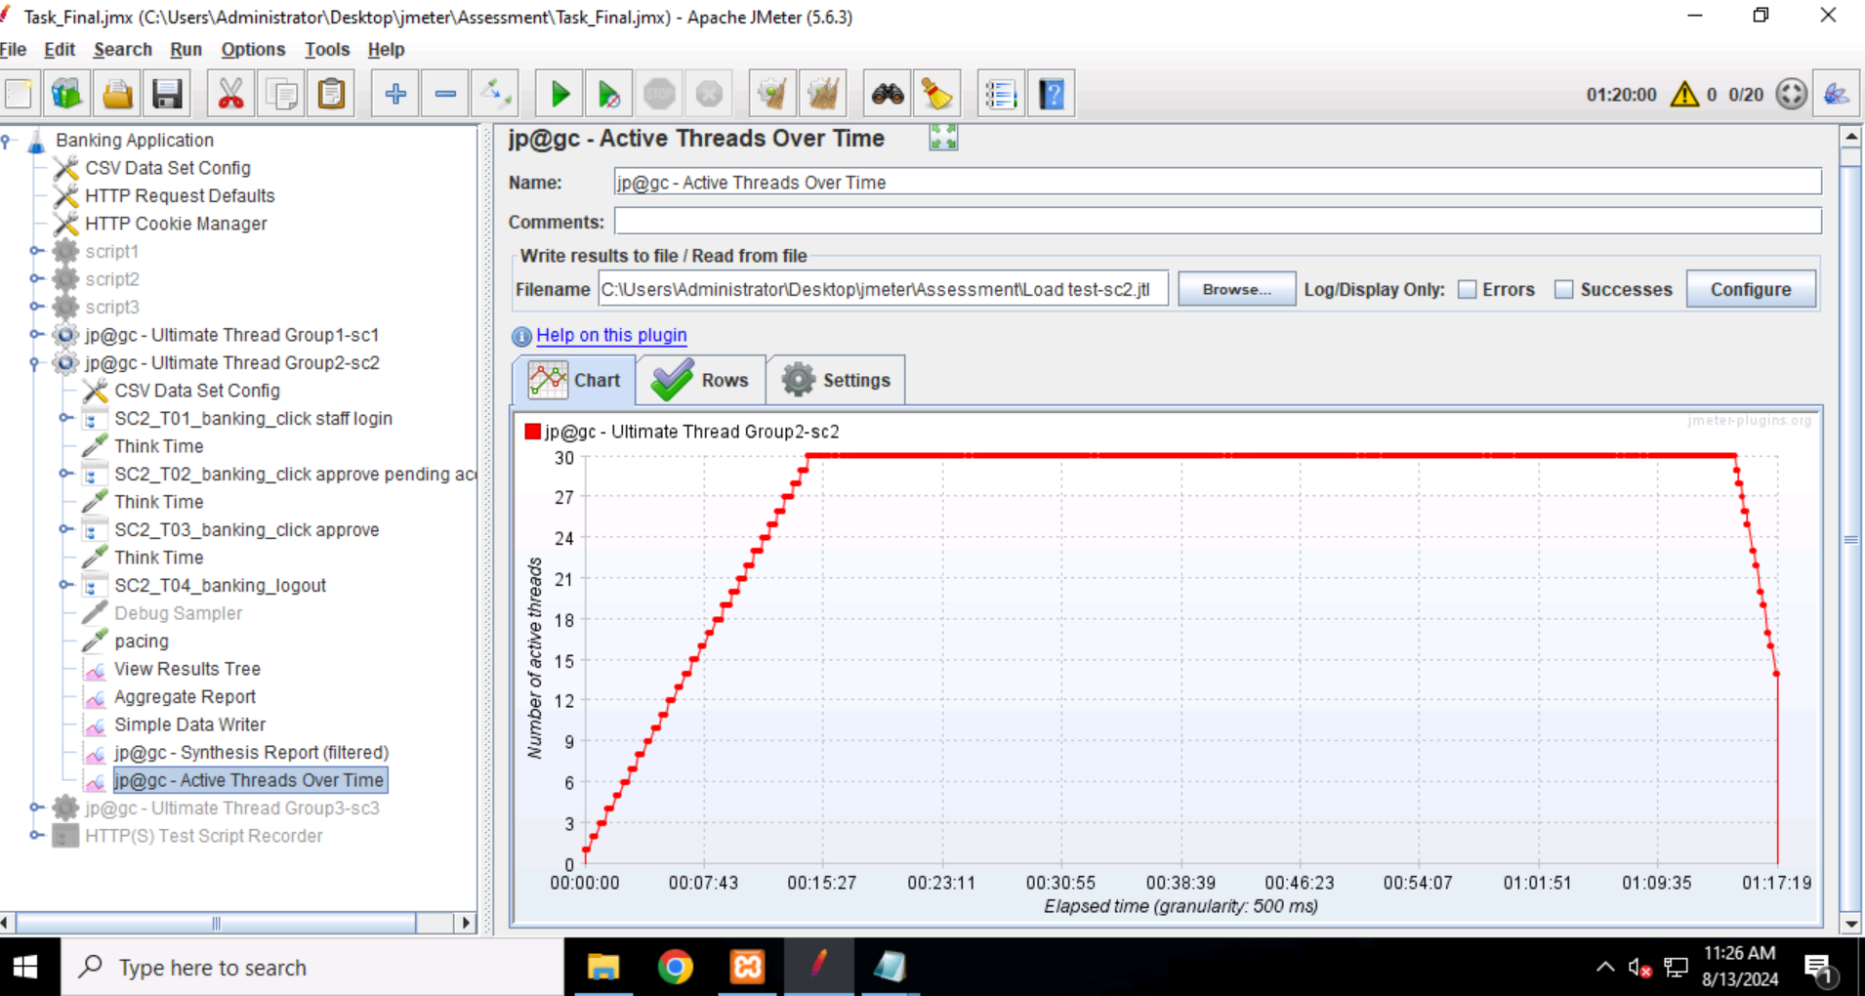
1.Test Summary: Script2 | 3. User graph
Total duration: 1hour 20minutes
no.of users:100
Script2 Users:30
Rampup:15min(900sec)
steady state: 1hr (3600sec)
Rampdown:5min(300sec)
Total Transactions: 832
Pass Transactions:832
Fail Transactions:0

2.Scenario Details
Given,N=30
TPH=200
From Little Law,
N=Tps*(RT+TT+P)
30=200/3600*(21+15+P)
30/0.055=36+P
540-36=P
P=504
 | 4. Client Side Metrics (Throughput, RT, Failure%)

 | Label | #Samples | Average | Min | Max | 90%Line | Std.Dev. | Error % | Throughput | Received KB/sec | Avg.Bytes
 | SC2_T01_banking_click staff login | 208 | 53 | 22 | 109 | 65 | 13.603304853 | 0.00% | 3.5/min | 1.0028820178 | 17651
 | SC2_T02_banking_click approve pending account | 208 | 95 | 25 | 918 | 113 | 60.345945482 | 0.00% | 3.5/min | 1.1389575196 | 20045.966346
 | SC2_T03_banking_click approve | 208 | 78 | 22 | 172 | 96 | 20.518228203 | 0.00% | 3.5/min | 0.27850279132 | 4901.6971154
 | SC2_T04_banking_logout | 208 | 40 | 16 | 65 | 49 | 9.8575842606 | 0.00% | 3.5/min | 0.50142031429 | 8825
 | TOTAL | 832 | 66 | 16 | 918 | 99 | 39.24098629 | 0.00% | 13.9/min | 2.9094207973 | 12855.915865

Script3
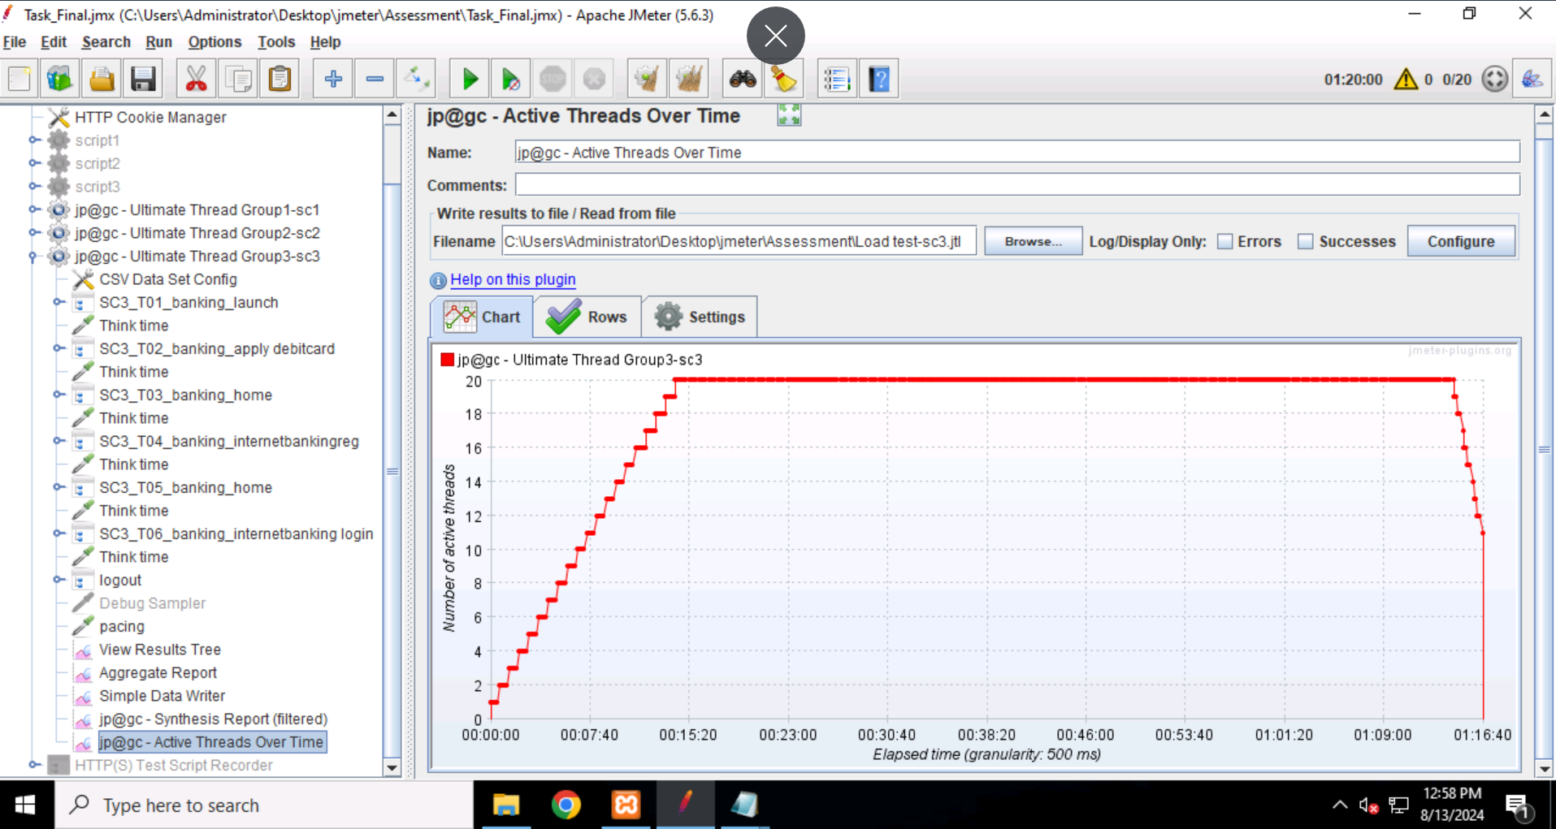
1.Test Summary: Script3 | 3. User graph
Total duration: 1hour 20minutes
no.of users:100
Script3Users:30
Rampup:15min(900sec)
steady state: 1hr (3600sec)
Rampdown:5min(300sec)
Total Transactions: 718
Pass Transactions:718
Fail Transactions:20(2.79%)

2.Scenario Details
Given,N=20
TPH=100
From Little Law,
N=Tps*(RT+TT+P)
20=100/3600*(21+30+P)
20/0.0277=51+P
720-51=P
P=669 | 4. Client Side Metrics (Throughput, RT, Failure%)

 | Label | #Samples | Average | Min | Max | 90%Line | Std.Dev. | Error % | Throughput | Received KB/sec | Avg.Bytes
 | SC3_T01_banking_launch | 102 | 3 | 1 | 7 | 4 | 0.91723008794 | 0.00% | 1.7/min | 0.36010404341 | 12801
 | SC3_T02_banking_apply debitcard | 102 | 17 | 5 | 34 | 23 | 5.5426850145 | 0.00% | 1.7/min | 0.21064861589 | 7488.1960784
 | SC3_T03_banking_home | 102 | 2 | 1 | 7 | 3 | 0.89982697299 | 0.00% | 1.7/min | 0.18006522267 | 6401
 | SC3_T04_banking_internetbankingreg | 103 | 25 | 8 | 64 | 34 | 8.1230753356 | 0.00% | 1.7/min | 0.25613257669 | 9131.5728155
 | SC3_T05_banking_home | 103 | 1 | 1 | 5 | 3 | 0.70359887115 | 0.00% | 1.7/min | 0.17954316462 | 6401
 | SC3_T06_banking_internetbanking login | 103 | 74 | 34 | 114 | 97 | 17.148934799 | 19.42% | 1.7/min | 0.58912271401 | 21003.398058
 | logout | 103 | 38 | 9 | 64 | 49 | 11.216017054 | 0.00% | 1.7/min | 0.23028580127 | 8210.0970874
 | TOTAL | 718 | 23 | 1 | 114 | 64 | 26.072495863 | 2.79% | 12.0/min | 1.9880752857 | 10210.647632

